Citation
VERSION 3.2 (JANUARY, 2021)

These calculations are done using Kress and Carmichael 1991
Equation 7, which takes into account the effect of pressure:
ln(XFe2O3/XFeO) = a*ln(fO2)+(b/T)+c+SUM(di*Xi)+ e * [1 - To/T - ln(T/To)] + f*(P/T) + g* ((T-To)*P/T) + h*(P^2/T)
Calculations of logfO2 are from Reviews in Mineralogy Volume 25
logfO2 = A/T + B + C(P-1)/T (see table below for parameter values)
Input and output values are in wt%
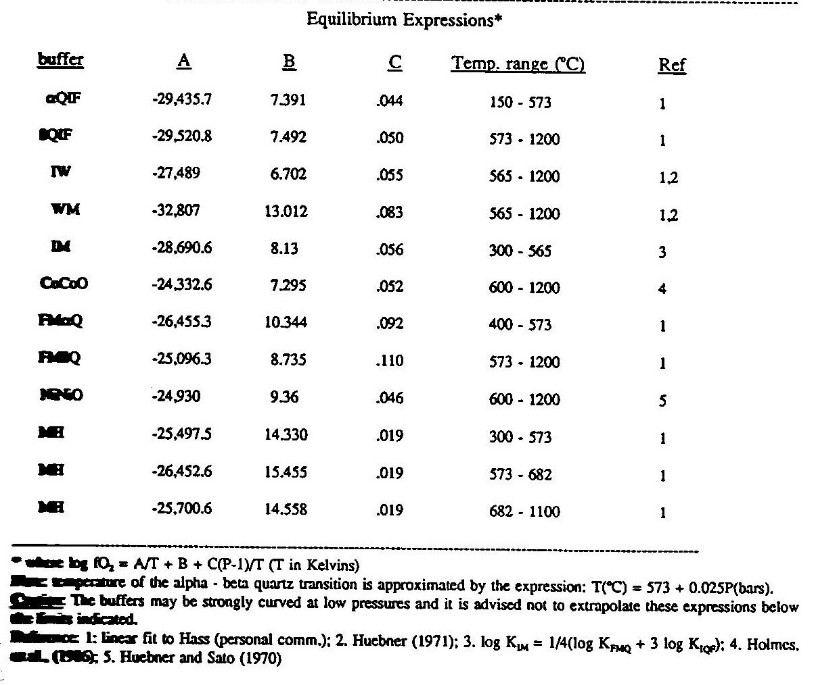

Citations:
Kress, V.C. and Carmichael, I.S.E. (1991) The Compressibility of silicate liquids contatining Fe2O3 and the effect of composition, temperature, oxygen fugacity and pressure on their redox states. Contrib. Mineral. Petrol. 108, 82-92
Frost, B.R. (1991) Introduction to oxygen fugacity and its petrologic importance. Reviews in Mineralogy and Geochemistry 25(1), 1-9

