Equilibrium Parameters
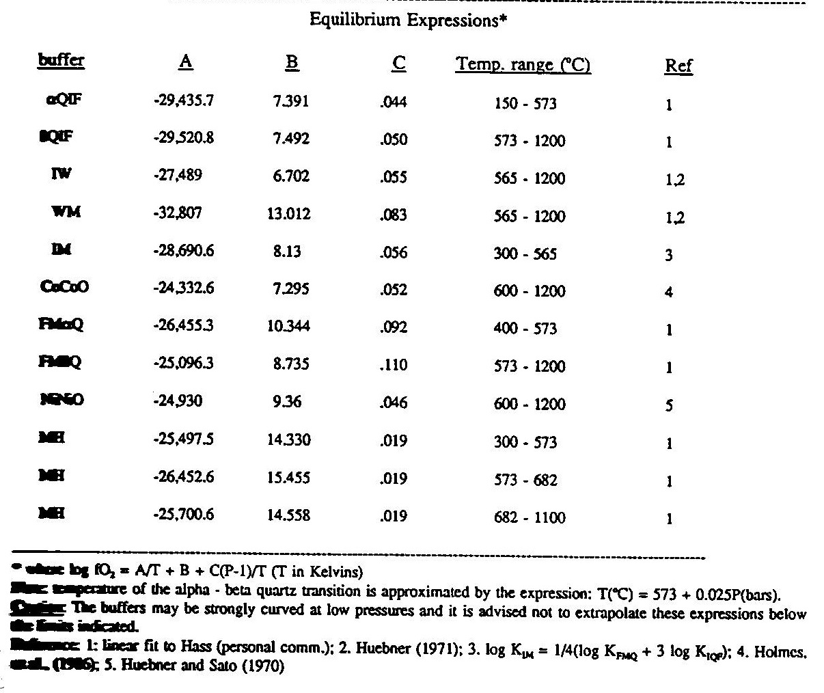
B. R. Frost (1991) in Mineralogical Society of America “Reviews in Mineralogy” Volume 25.
Buffer | A | B | C
QIF (Low T) | -29435.7 | 7.391 | 0.044
QIF (High T) | -29520.8 | 7.492 | 0.05
IW | -27489 | 6.702 | 0.055
IW (High P) | Uses expression below
WM | -32807 | 13.012 | 0.083
IM | -28690.6 | 8.13 | 0.056
CoCoO | -24332.6 | 7.295 | 0.052
FMQ (Low T) | -26455.3 | 10.344 | 0.092
FMQ (High T) | -25096.3 | 8.735 | 0.11
NNO | -24930 | 9.36 | 0.046
MH (Low T) | -25497.5 | 14.33 | 0.019
MH (Med T) | -26452.6 | 15.455 | 0.019
MH (High T) | -25700.6 | 14.558 | 0.019

IW (High P) | Campbell et al. (2009) > 10-15 Gpa
log(fO2) = (6.54106+0.0012324*P) + (-28163.6+546.32*P-1.13412*P**2+0.0019274*P**3)/T
P in GPa, T in K

Graphite-CO-CO2 | French and Eugster (1965)
log(fO2) = (-20586/t) - 0.044 + log(P) - 0.028 * (P-1)/T

Re-ReO | Pownceby and O'Neill (1994)
log(fO2) = (-451020 + 297.595 * T - 14.6586T*ln(T))/(8.31441*T*ln(10))

Si-SiO2 | Chase (1998); Barin (1993), Hu (1984), Fried, Howard, and Souers
log(fO2) at 1 bar = log(e^((-911336 + 212.2423*T - 4.512*T*ln(T))/(8.314*T)))
log(fO2) at P = (1/T*0.4343*120*((0.00251*P^3 - 0.2044*P^2 + 10.3225*P)-(0.00251*0.001^3 - 0.2004*0.0001^2 + 10.32257*0.001)))+fO2_1-bar
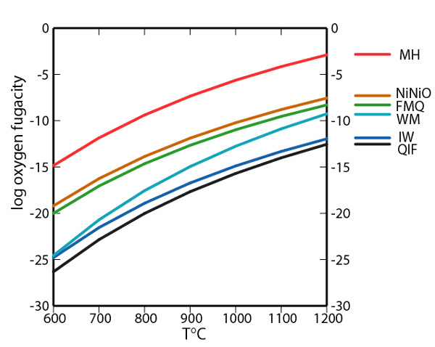
Cr-Cr2O3 | Holzheid and O'Neill (1995) at 1 bar (600–1800 K)
log(fO2) at 1 bar = log(e^((-758585+349.718*T-25.5216*T*LN(T)+0.00935*T^2)/(R*T)))

Mo-MoO2 | Bygdén et al., 1994
log(fO2) at 1 bar = log(e^((-580563+173*T)/(R*T)))

Mn-MnO | Robie et al. (1979)
log(fO2) at 1 bar = 2* LOG(EXP((-376969 - 4.19123*T*LN(T))/(R*T)))

